SAMPLE
 |  | Daily Continuity Progress Report

PROD. NUMBER | PRODUCTION TITLE |  |  |  |  |  |  | DATE
23bth | Production Management: The Movie |  |  |  |  |  |  | 2020-10-25
DIRECTOR |  |  | SCRIPT SUPERVISOR |  |  |  |  | DAY #
Allison Parker |  |  | Joseph Hall |  |  |  |  | 2 of 6

TODAY'S TIMES |  |  |  | TODAY'S DRAWING
CREW CALL |  | 6:00:00 |  | 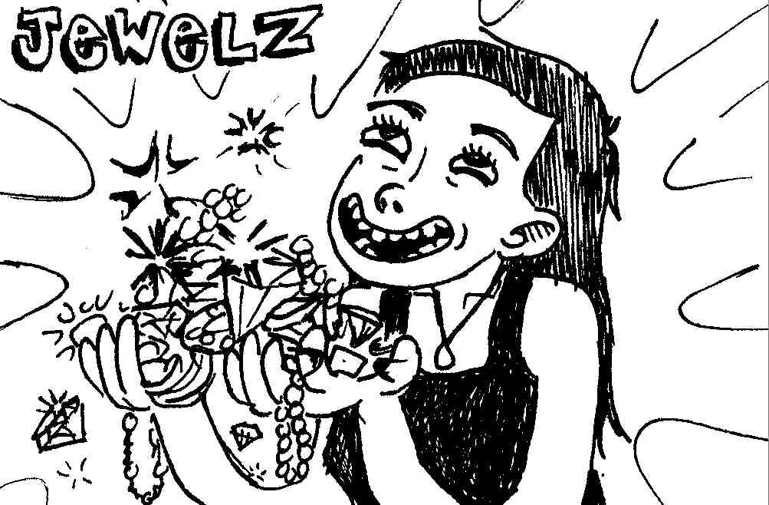
SHOOTING CALL |  | 7:30:00
1st SHOT OF DAY |  | 7:55:00
MEAL BEGIN |  | 12:08:00
1st SHOT AFTER MEAL |  | 13:26:00
2nd MEAL BEGIN |  | 18:55:00
1st SHOT AFTER 2nd MEAL |  | 19:23:00
CAMERA WRAP |  | 19:40:00
COMPANY WRAP |  | 20:25:00

DAILY PROGRESS | SCENES |  | PAGES |  | MINUTES |  | SETUPS
IN SCRIPT | 28 |  | 9.25 |  | 9:15:00 |  | 91
ADDED TODAY | 0 |  | 0 |  | 0:00:00 |  | 3
DELETED TODAY | 0 |  | 0 |  | 0:00:00 |  | 1
NEW TOTAL | 28 |  | 9.25 |  | 9:15:00 |  | 93
SHOT PREVIOUS | 2 |  | 2.25 |  | 2:15:00 |  | 23
PLANNED TODAY | 4 |  | 2.875 |  | 2:50:00 |  | 28
ACTUAL TODAY | 4 |  | 2.625 |  | 2:40:00 |  | 30
SHOT TO DATE | 6 |  | 4.875 |  | 4:55:00 |  | 53
REMAINING | 22 |  | 4.375 |  | 4:20:00 |  | 40

WEATHER CONDITIONS / OTHER CONTINUITY CONCERNS
Bright sunshine in the morning; overcast in the afternoon followed by thunderstorms
(be sure to match lighting on sc 10 coverage)

SCENES COVERED | WILD TRACKS |  | RETAKES |  |  | REMARKS
1, 4, 6, 7, 10 | 7 - Sarah |  | R6C, R6D |  |  | Reshot 6C & 6D after sun
 | 6 - Sarah & Joe |  |  |  |  | went behind clouds.

